BR001
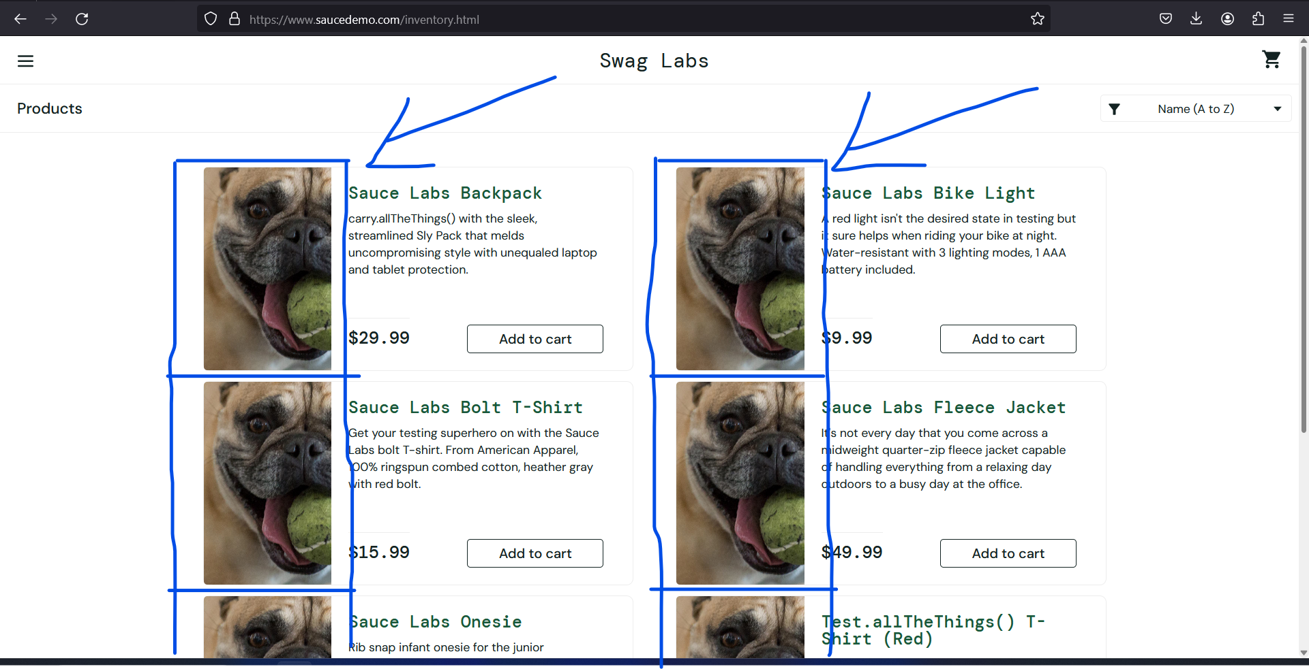
Bug Report ID | BR001 | SCREENSHOT
Title | Locked_out_user can use the site as logged in through workarround
Environment | Operating System: Windows 11 || Browser: Mozilla Firefox Version 122.0 (64-bit)
Test Data | URL - https://www.saucedemo.com/ || Username: problem_user || Password: secret_sauce
Description | During the execution of Test Case #TC013, it was observed that all products on the inventory page displayed the same stock image, rather than unique images for each product. Additionally, upon clicking on a product to view its details, the product detail page corresponds to a different product with the correct image, title, price, and description.
Steps to reproduce
1. Log in and you will be redirected to the inventory page.
2. Observe that every product listed has the same stock image.
3. Click on any product to go to its detail page.
4. Notice that the product detail page shows information (including image, title, price, and description) for a different product.
Expected result: Each product on the inventory page should have its unique image. The product detail page should match the product selected on the inventory page.
Actual result: The inventory page shows the same stock image for all products. The product detail pages do not match the products selected from the inventory page.

Priority/Severity | High / High
Repo rate | 100%
Tester Name | Tamara Kopestinskij
Date of Execution | 29. january 2024.

BR002
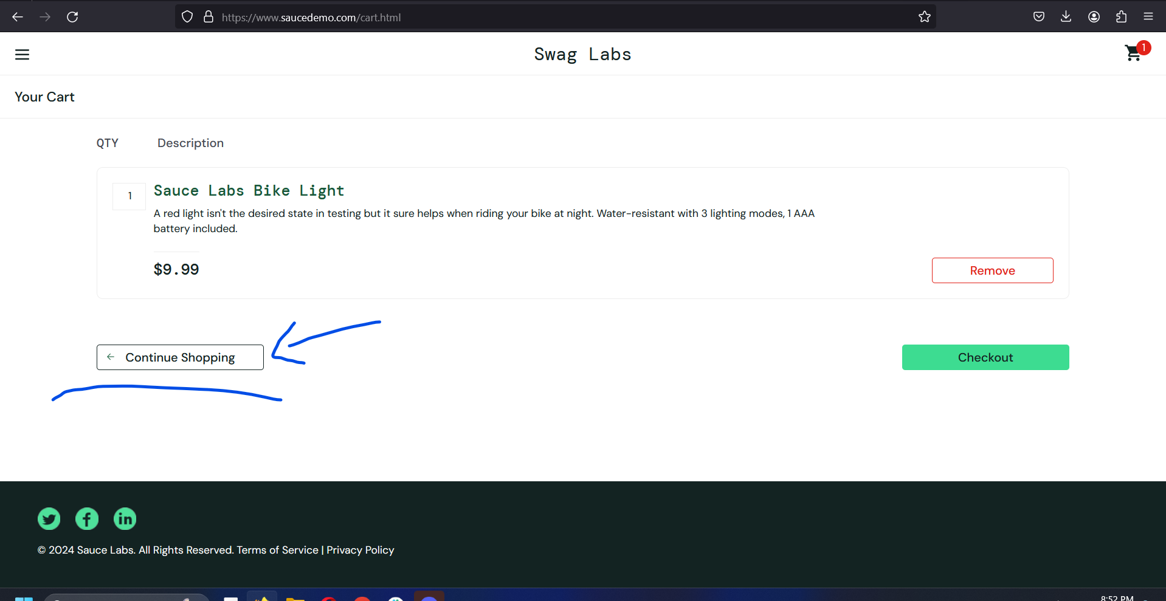
Bug Report ID | BR002 | SCREENSHOT
Title | Delayed Response of "Continue Shopping" Button
Environment | Operating System: Windows 11 || Browser: Mozilla Firefox Version 122.0 (64-bit)
Test Data | URL - https://www.saucedemo.com/ || Username "performance_glitch_user" || Password "secret_sauce"
Description | During testing of the test case (#TC010) on the website https://www.saucedemo.com/, I encountered a bug related to the "Continue Shopping" button. The issue is that the "Continue Shopping" button is unresponsive the first time it is clicked, and on the second click, it takes over 3 seconds to register and perform the action. This issue is specific to the "Continue Shopping" button and does not affect other buttons mentioned in this test case.
Steps to reproduce
1. Login on provided page with provided credentials (saucedemo.com , "standard_user" , "secret_sauce")
2. Select a few products from the inventory page.
3. Click on the cart icon in the upper right corner to go to the shopping cart page.
4. Now, try to click the "Continue Shopping" button located in the lower left part of the page under the list of products.
Expected result: Upon clicking the "Continue Shopping" button, it should immediately redirect the user back to the inventory page.
Actual result: The "Continue Shopping" button takes over 5 seconds to register and perform the action. This behavior occurs consistently.

Priority/Severity | High / High
Repo rate | 100%
Tester Name | Tamara Kopestinskij
Date of Execution | 31.1.2024.

BR003
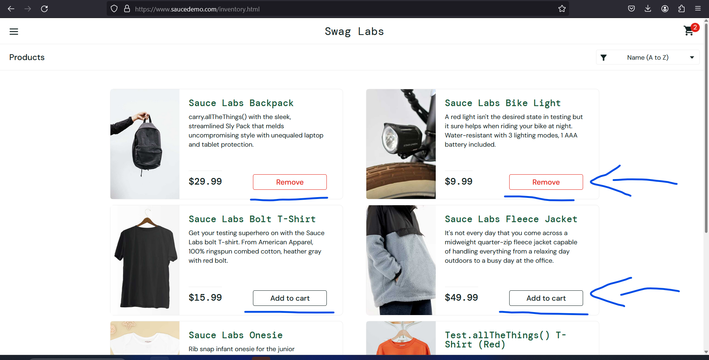
Bug Report ID | BR003 | SCREENSHOT
Title | Inability to Click 'Add to Cart' and 'Remove' Buttons on Inventory Page
Environment | Operating System: Windows 11 || Browser: Mozilla Firefox Version 122.0 (64-bit)
Test Data | URL - https://www.saucedemo.com/ || Username "error_user" || Password "secret_sauce"
Description | During the execution of Test Case #TC012, it was observed that not all 'Add to Cart' buttons on the inventory page are clickable. Additionally, for the items that could be added to the cart, the 'Remove' button did not function to remove the items from the cart. However, these items could be removed successfully from the cart page.
Steps to reproduce
1. Log in and you will be redirected to the inventory page.
2. Attempt to click the 'Add to Cart' button for multiple products.
3. Observe that some 'Add to Cart' buttons are not responsive.
4. For products successfully added to the cart, attempt to click 'Remove'.
5. Observe that the 'Remove' button does not respond, and items remain in the cart.
6. Navigate to the cart page and remove items successfully.
Expected result: All 'Add to Cart' buttons should be clickable, and products should be added to the cart. When 'Add to Cart' buttons are clicked on and turned into 'Remove' buttons, they should also function to remove items from the cart on the inventory page.
Actual result: Only some 'Add to Cart' buttons on the inventory page are clickable. 'Remove' button on the inventory page does not function.

Priority/Severity | High / High
Repo rate | 100%
Tester Name | Tamara Kopestinskij
Date of Execution | 31.1.2024.

